de_mirage
LIGA PRO (Dezembro 18 - até hoje) - Liga Profissional |  |  |  |  |  | LIGA AMADORA (Fevereiro 19) - Liga de Acesso
 | cpID | match_log | player_connected_log | Status | ScoreTeam |  | cpID | match_log | player_connected_log | Status | ScoreTeam
W7M | 107043 | TRUE | TRUE | Win | 16 | Black Berets | 115969 | TRUE | TRUE | Win | 16
 | 109311 | TRUE | TRUE | Loss | 3 |  | 115970 | TRUE | TRUE | Win | 16
 | 110933 | TRUE | TRUE | Win | 16 |  | 118496 | TRUE | TRUE | Win | 16
 | 115037 | TRUE | TRUE | Win | 22 |  | 118527 | TRUE | TRUE | Win | 16
 | 116691 | TRUE | TRUE | Loss | 5 |  | 118550 | TRUE | TRUE | Win | 16
 | 118014 | TRUE | TRUE | Win | 16 |  | 118580 | TRUE | TRUE | Loss | 7
W7M/INTZ | 111415_11781 | TRUE | TRUE | Win (INTZ) | 16 | SemXorah | 116033 | TRUE | TRUE | Win | 16
INTZ | 110932 | TRUE | TRUE | Loss | 12 |  | 117845 | TRUE | TRUE | Win | 16
 | 115005_14366 | TRUE | TRUE | Win | 16 |  | 118565 | TRUE | TRUE | Win | 19
 | 118145 | TRUE | TRUE | Loss | 11 |  | 118600 | TRUE | TRUE | Loss | 8

 |  | Team Name | ID |  |  |  |  | Team Name | ID
 |  | INTZ | 7177 |  |  |  |  | Black Berets | 107581
 |  | W7M | 9216 |  |  |  |  | semXorah | 117819

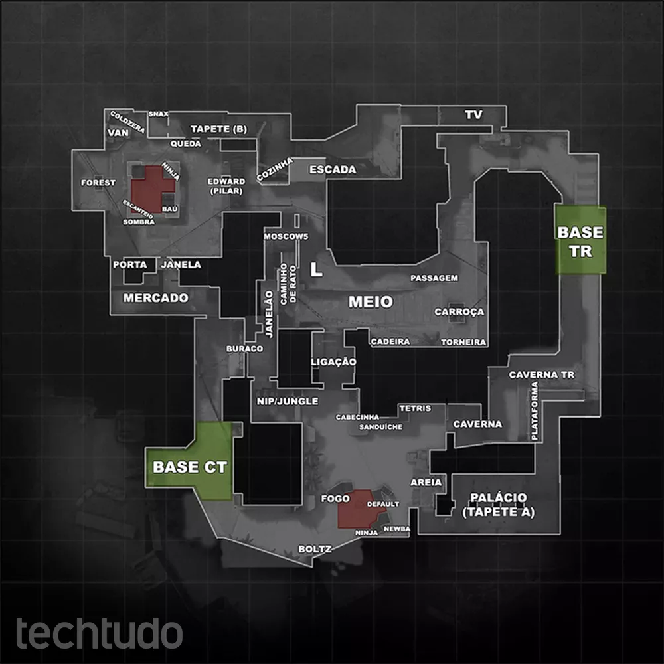
Liga ALFA - Liga Iniciante
INFINITY CLAN | 112816 | TRUE | TRUE | Win | 16
 | 112817 | TRUE | TRUE | Win | 16
 | 112818 | TRUE | TRUE | Win | 16
 | 113411 | TRUE | TRUE | Win | 16
 | 113415_12755 | TRUE | TRUE | Loss | 14
Kaypira Gaming Brazil | 112836 | TRUE | TRUE | Loss | 4
 | 112838 | TRUE | TRUE | Win | 16
 | 112839 | TRUE | TRUE | Loss | 4
 | 116203 | TRUE | TRUE | Win | 16
 | 116937 | TRUE | TRUE | Loss | 6

 |  | Team Name | ID
 |  | INFINITY CLAN | 110648
 |  | Kaypira Gaming Brazil | 116212

de_cache
LIGA PRO (Dezembro 18 - até hoje) - Liga Profissional |  |  |  |  |  | LIGA AMADORA (Jan/Fevereiro 19) - Liga de Acesso
 | cpID | match_log | player_connected_log | Status | ScoreTeam |  | cpID | match_log | player_connected_log | Status | ScoreTeam
paiN Gaming | 110931 | TRUE | TRUE | Win | 16 | WE HARD GAMiNG | 113983 | TRUE | TRUE | Loss | 5
 | 111414 | TRUE | TRUE | Win | 16 |  | 115821 | TRUE | TRUE | Win | 16
 | 115313 | TRUE | TRUE | Win | 16 |  | 115826 | TRUE | TRUE | Win | 16
 | 107044 | TRUE | TRUE | Win | 16 |  | 118442 | TRUE | TRUE | Win | 16
INTZ/PainG | 112620 | TRUE | TRUE | WIN(INTZ) | 16 |  | 118562 | TRUE | TRUE | Loss | 20
 | 118013 | TRUE | TRUE | Win(INTZ) | 16 | OnFire E-sports | 112259 | TRUE | TRUE | Win | 19
INTZ | 111415_11772 | TRUE | TRUE | Win | 16 |  | 112260 | TRUE | TRUE | Win | 16
 | 115005_14295 | TRUE | TRUE | Loss | 8 |  | 116052 | TRUE | TRUE | Win | 19
 | 115298 | TRUE | TRUE | Win | 16 |  | 116058 | TRUE | TRUE | Win | 16
Detona | 115314 | TRUE | TRUE | Win | 16 |  | 118447 | TRUE | TRUE | Loss | 14

 |  | Team Name | ID |  |  |  |  | Team Name | ID
 |  | Detona Gaming | 37382 |  |  |  |  | WE HARD GAMiNG | 12770
 |  | INTZ | 7177 |  |  |  |  | OnFire E-sports | 72642
 |  | paiN Gaming | 76382

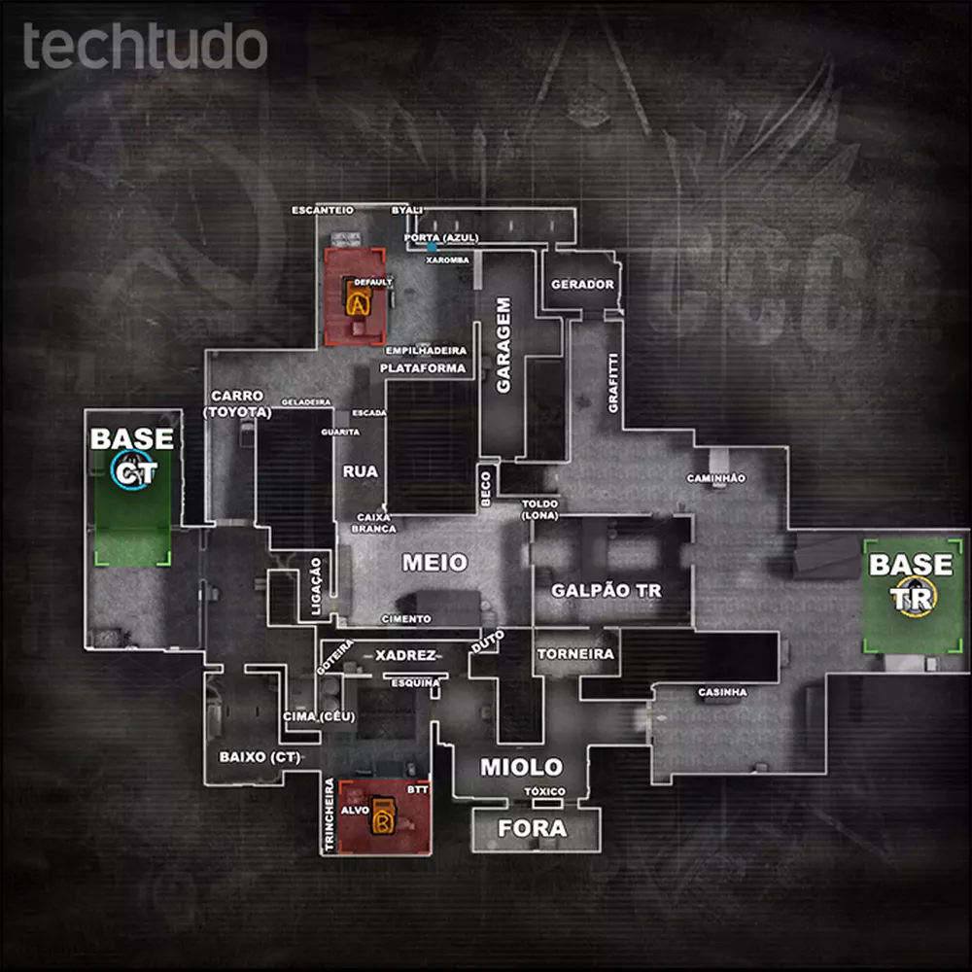
Liga ALFA - Liga Iniciante - Jan/Fev 19
 | cpID | match_log | player_connected_log | Status | ScoreTeam
BULLS GAMING ACADEMY | 112786 | TRUE | TRUE | Win | 16
 | 112787 | TRUE | TRUE | Win | 16
 | 113380 | TRUE | TRUE | Win | 16
 | 113414 | TRUE | TRUE | Win | 16
 | 113415_12792 | TRUE | TRUE | Loss | 8
SHOOTEAM PRINCIPAL | 112797 | TRUE | TRUE | Win | 16
 | 112798 | TRUE | TRUE | Win | 16
 | 116193 | TRUE | TRUE | Win | 16
 | 117143 | TRUE | TRUE | Win | 16
 | 117145 | TRUE | TRUE | WIn | 16

 |  | Team Name | ID
 |  | BULLS GAMING ACADEMY | 111891
 |  | SHOOTEAM PRINCIPAL | 96330

